Hiearchy View
CLASS: END OF LINE BOARD
afety signals allow for the efficient and steady flow of trains, enabling several to operate over a single-tracked line. |  | 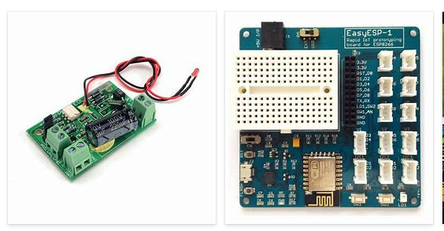
REMOVE | N

PROBLEM_DESC | CAUSE_DESC | REMEDY_DESC
ALARM/SENSOR
BROKEN/DAMAGED
OTHER PROBLEM
OVERHEATING
POWER-ELEC
STOPPED/SLOWED/POOR OPS
TEMP-CTRL
VIBRATION
Grand Total

